uas
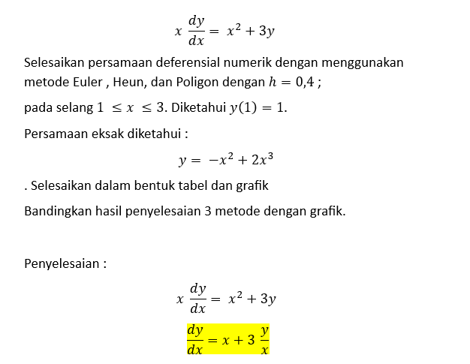
euler
x | yi euler | teta | yi+1 | yi(eksak) | Error(eksak)%
1 | 1 | 4 | 2.6 | 1 | 0
1.4 | 2.6 | 6.9714285714 | 5.3885714286 | 3.528 | 26.303854875
1.8 | 5.3885714286 | 10.780952381 | 9.700952381 | 8.424 | 36.0331027
2.2 | 9.700952381 | 15.428571429 | 15.872380952 | 16.456 | 41.049146931
2.6 | 15.872380952 | 20.914285714 | 24.238095238 | 28.392 | 44.095586953
3 | 24.238095238 | 27.238095238 | 35.133333333 | 45 | 46.137566138

yi euler | yi eksak
1 | 1
2.6 | 3.528
5.3885714286 | 8.424
9.700952381 | 16.456
15.872380952 | 28.392
24.238095238 | 45

heun
xi | yi(heun) | k1 | k2 | teta | yi+1 | yEksak | error
1 | 1 | 4 | 6.9714285714 | 5.4857142857 | 3.1942857143 | 1 | 0
1.4 | 3.1942857143 | 8.2448979592 | 12.620408163 | 10.432653061 | 7.3673469388 | 3.528 | 9.4590217039
1.8 | 7.3673469388 | 14.078911565 | 19.925788497 | 17.002350031 | 14.168286951 | 8.424 | 12.543364924
2.2 | 14.168286951 | 21.520391297 | 28.880511696 | 25.200451497 | 24.24846755 | 16.456 | 13.901999568
2.6 | 24.24846755 | 30.579001019 | 39.480067957 | 35.029534488 | 38.260281345 | 28.392 | 14.594013984
3 | 38.260281345 | 41.260281345 | 51.721524014 | 46.49090268 | 56.856642417 | 45 | 14.977152567

yi(heun) | yEksak
1 | 1
3.1942857143 | 3.528
7.3673469388 | 8.424
14.168286951 | 16.456
24.24846755 | 28.392
38.260281345 | 45

poligon
xi | yi(poli) | k1 | k2 | teta | yi+1 | yi(eksak) | error
1 | 1 | 4 | 5.7 | 5.7 | 3.28 | 1 | 0
1.4 | 3.28 | 8.4285714286 | 10.910714286 | 10.910714286 | 7.6442857143 | 3.528 | 7.029478458
1.8 | 7.6442857143 | 14.54047619 | 17.828571429 | 17.828571429 | 14.775714286 | 8.424 | 9.2558675892
2.2 | 14.775714286 | 22.348701299 | 26.456818182 | 26.456818182 | 25.358441558 | 16.456 | 10.210778526
2.6 | 25.358441558 | 31.85974026 | 36.796846011 | 36.796846011 | 40.077179963 | 28.392 | 10.684553542
3 | 40.077179963 | 43.077179963 | 48.849327458 | 48.849327458 | 59.616910946 | 45 | 10.939600082

yi(poli) | yi(eksak)
1 | 1
3.28 | 3.528
7.6442857143 | 8.424
14.775714286 | 16.456
25.358441558 | 28.392
40.077179963 | 45

yi(euler) | yi(heun) | yi(poli) | yi(eksak)
1 | 1 | 1 | 1
2.6 | 3.1942857143 | 3.28 | 3.528
5.3885714286 | 7.3673469388 | 7.6442857143 | 8.424
9.700952381 | 14.168286951 | 14.775714286 | 16.456
15.872380952 | 24.24846755 | 25.358441558 | 28.392
24.238095238 | 38.260281345 | 40.077179963 | 45

